Indices

 | Iraq Stock Exchange
 | Bulletin No (97)
 | ISX Trading Indices of Sunday 7/6/2026

 | Traded Volume and OTC |  | 396,717,002 |  | Traded Value and OTC |  | 855,905,016 |  | Traders | 1025

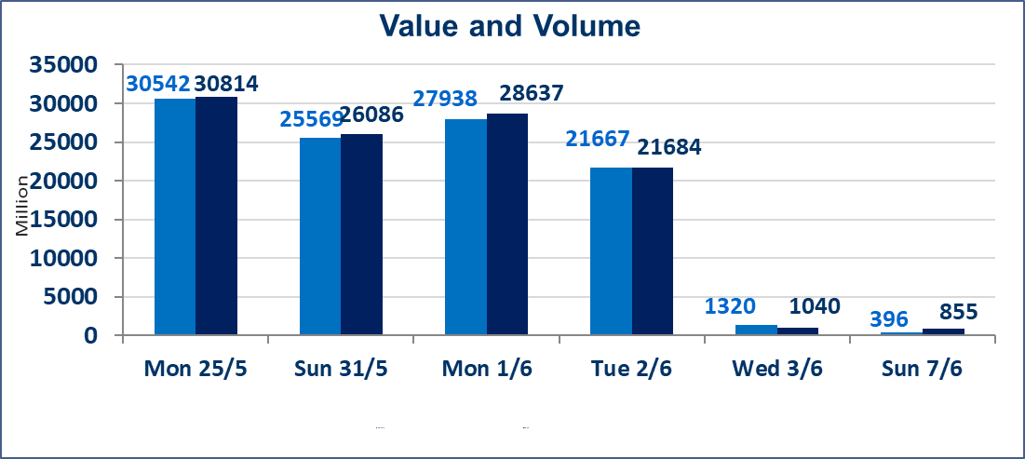
 | ISX Index 60 |  |  | 944.06 | ISX Index 15 |  |  | 1208.52
 | Previous ISX Index60 |  |  | 950.64 | Previous ISX Index15 |  |  | 1207.93
 | Change % |  |  | -0.69 | Change % |  |  | 0.05
 | Change |  |  | -6.58 | Change |  |  | 0.59

 | Listed Companies | 103 | OTC | 14 | Non Traded listed | 39 | OTC | 14
 | Traded Listed Companies | 47 | OTC | 0 | Higher Companies |  |  | 9
 | GAM Companies |  |  | 6 | Lower Companies |  |  | 13
 | Suspended Companies |  |  | 11
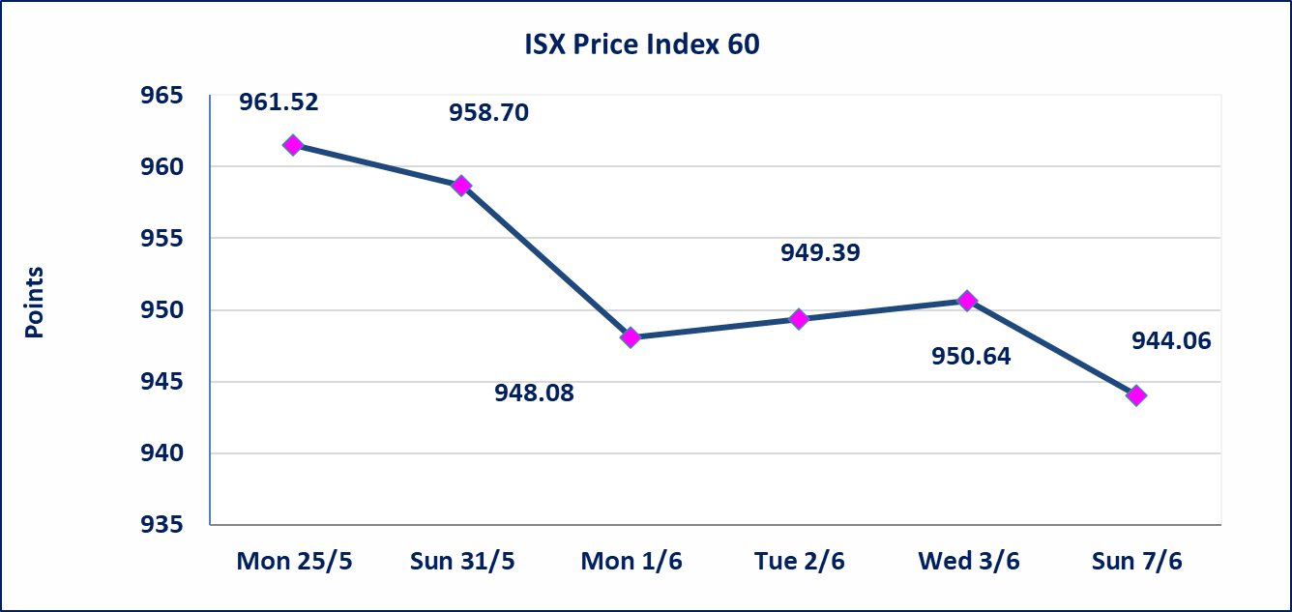
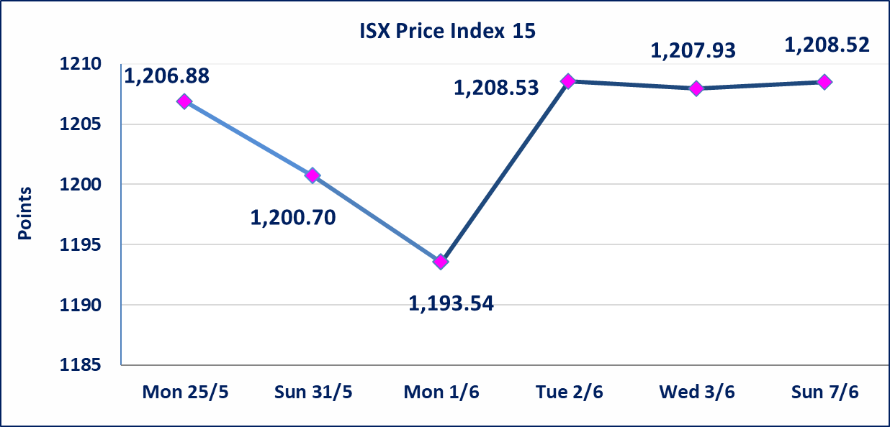

Al-Alwiya P.O . 3607 Mobile: 07711211522 - 07270094594 - 07834000034 E-mail: info-isx@isx-iq.net Web site:www.isx-iq.net

Top 5
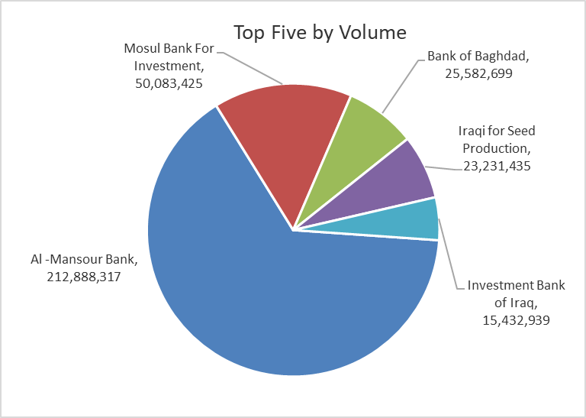
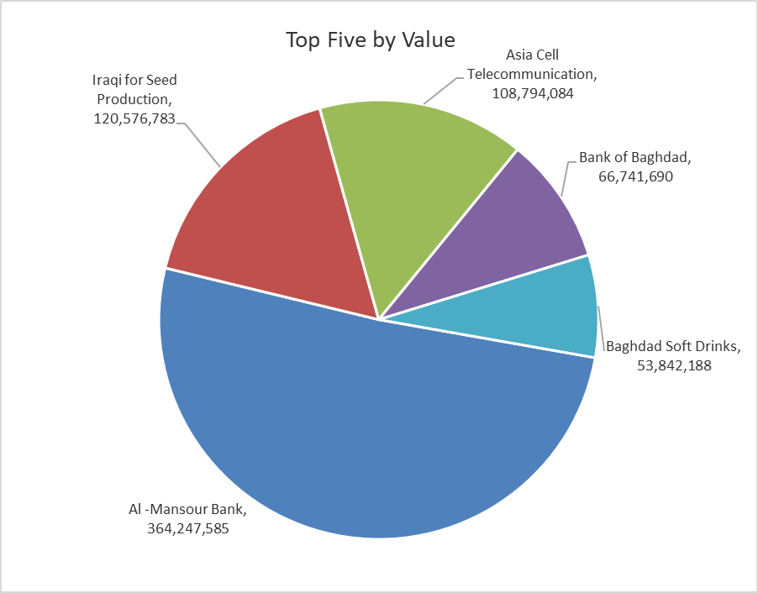

ISX top ganing and losing companies
Sunday 7/6/2026
 | Gainers |  |  |  | Losers
 | Company Name | Closing Price | Change (%) | Traded Volume | Company Name | Closing Price | Change (%) | Traded Volume
 | Al-Mansour Pharmaceuticals Industries | 2.460 | 11.31 | 9,661 | Mosul Bank For Investment | 0.130 | -7.14 | 50,083,425
 | Al-Hamraa for Insurance | 5.400 | 11.11 | 23,140 | Mansour Hotel | 67.000 | -6.94 | 60,242
 | Ashur International Bank | 0.270 | 3.85 | 1,000,000 | Al-Khatam Telecom | 4.740 | -2.87 | 1,155,209
 | Iraqi for Seed Production | 5.250 | 2.14 | 23,231,435 | The Light Industries | 1.210 | -1.63 | 5,072,372
 | Fallujah for construction Materials | 2.830 | 1.07 | 749,480 | Electronic Industry | 1.350 | -1.46 | 3,779,927
 | The most active companies in term of traded volume and value

 | Traded Volume |  |  |  | Traded Value
 | Company Name | Closing Price | Change (%) | Traded Volume | Company Name | Closing Price | Change (%) | Traded Value
 | Al -Mansour Bank | 1.710 | -0.58 | 212,888,317 | Al -Mansour Bank | 1.710 | -0.58 | 364,247,585
 | Mosul Bank For Investment | 0.130 | -7.14 | 50,083,425 | Iraqi for Seed Production | 5.250 | 2.14 | 120,576,783
 | Bank of Baghdad | 2.610 | 0.38 | 25,582,699 | Asia Cell Telecommunication | 15.960 | -0.06 | 108,794,084
 | Iraqi for Seed Production | 5.250 | 2.14 | 23,231,435 | Bank of Baghdad | 2.610 | 0.38 | 66,741,690
 | Investment Bank of Iraq | 0.250 | 0.00 | 15,432,939 | Baghdad Soft Drinks | 6.150 | -0.49 | 53,842,188

Non Iraqis

Iraq Stock Exchange
Non Iraqis' Bulletin Sunday Jun 7 2026
Regular Market

Non Iraqi Trading of Regular Market (Buy)
Company Names | Code | No.of trades | Traded Shares | Trading Volume
Banks Sector
Bank Of Baghdad | BBOB | 1 | 380,000 | 995,600
Total Bank sector |  | 1 | 380,000 | 995,600
Grand Total |  | 1 | 380,000 | 995,600

Non Iraqi Trading of Regular Market (Sell)
Company Names | Code | No.of trades | Traded Shares | Trading Volume
Hotel Sector
Mansour Hotel | HMAN | 1 | 105 | 7,350
Total Hotel Sector |  | 1 | 105 | 7,350
Grand Total |  | 1 | 105 | 7,350

Not Trading Bonds

Iraq Stock Exchange
Sunday 7/6/2026
Not Trading Bonds Bulletin
Bond type | Publish type | Code | last trading price | immortilize date
Banaa Bonds /Million ID | Second | CB20 | 964,981 | 19/12/2025
Eamar Bonds /Million ID | First | CB30 | 1,001,095 | ــــــــــــــــ
Eamar Bonds /Million ID | Second | CB40 | ــــــــــــــــ | ــــــــــــــــ
Eamar Bonds /500 Thousand ID | Third | CB45 | ــــــــــــــــ | ــــــــــــــــ
Eamar Bonds /Million ID | Third | CB50 | ــــــــــــــــ | ــــــــــــــــ
Injaz Bonds /500 Thousand ID | First | CB55 | ــــــــــــــــ | ــــــــــــــــ
Injaz Bonds /Million ID | First | CB60 | 951,110 | ــــــــــــــــ
Injaz Bonds /500 Thousand ID | Second | CB65 | 511,000
Injaz Bonds /Million ID | Second | CB70 | 965,050 | ــــــــــــــــ
Injaz Bonds /500 Thousand ID | Third | CB75 | ــــــــــــــــ | ــــــــــــــــ
Injaz Bonds /Million ID | Third | CB80 | 978,182 | ــــــــــــــــ
National Bonds/Million ID | First | CB90 | ــــــــــــــــ | ــــــــــــــــ
National Bonds/500 Thousand ID | Second | CB95 | ــــــــــــــــ | ــــــــــــــــ
National Bonds/Million ID | Second | CB100 | ــــــــــــــــ | ــــــــــــــــ

